Part List & Schematic(SingleFB)
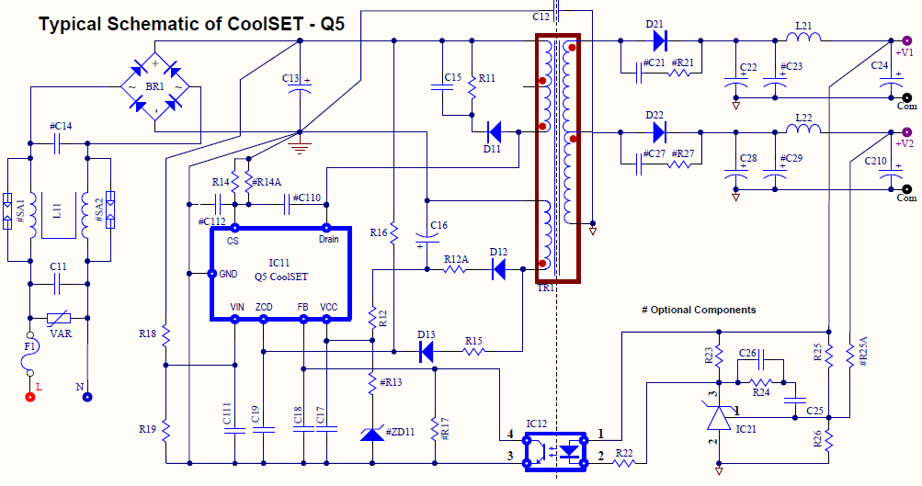
Part List & Schematic
 | Application: | 85~300(320)VAC and (12Vx1.25A+5Vx0.2A=16W) Single Output Single FB
 | CoolSET: | ICE5QR4780AZ
 | Revision: | 0
 | Date: | 0
No. | Designator[unit] | Value/Part Name | (V) | (Arms) | (W) | Description | Footprint | Part No. | Manufacturer
1 | BR1 |  | 600V | 0.37
2 | C11 | 0.22µF, X cap | 305Vac
3 | C12 | 1nF, Y cap | 500V
4 | C13 [µF] | 47 | 453
5 | C14 | 0.1µF, X cap | 305Vac
6 | C15 [nF] | 1.0 | 600V
7 | C16 [µF] | 10 | 35V
8 | C17 | 100nF | 50V
9 | C18 | 1nF | 50V
10 | C19 [pF] | 120 | 50V
11 | C110
12 | C111
13 | C112
14 | C21
15 | C22 [µF] | 1000
16 | C23[µF]
17 | C24 [µF] | 470
18 | C25 [nF] | 470 | 50V
19 | C26[nF] | 2.20 | 50V
20 | C27
21 | C28 [µF] | 0
22 | C29 [µF]
23 | C210 [µF] | 0
24 | D11 |  | ≥700V | 1
25 | D12 |  | 86.0 | 0.1
26 | D13
27 | D21 |  | 73.7 | 2.5
28 | D22 |  | 25.7 | #DIV/0!
29 | F1 | Fuse | 300Vac | 0.37
30 | HS21
31 | HS22
32 | IC11 | ICE5QR4780AZ
33 | IC12 | SFH617A-3
34 | IC21 | TL431BVLPG
35 | L11 |  |  | 0.37
36 | L21 [µH] | 2.20 |  | 1.33
37 | L22 [µH] | 4.70 |  | 0.00
38 | R11 [kΩ] | 68.0 |  |  | 2W
39 | R12 [Ω] | 10
40 | R12A [Ω] | 0
41 | R13
42 | R14 [Ω] | 1.21 |  |  | 0.13
43 | R14A [Ω]
44 | R15 [kΩ] | 27.00
45 | R16 [MΩ] | 50.00
46 | R17 [kΩ]
47 | R18 [MΩ] | 9
48 | R19 [Ω](LOVP is 1st Priority) | 58,300
49 | R19 [Ω](BrownOut is 1st Priority) | 58,300
50 | R21
51 | R22 [kΩ] | 0.82 |  |  |  |  |  |  |  | `
52 | R23 [kΩ] | 1.2
53 | R24 [kΩ] | 20
54 | R25 [kΩ] | 38.0
55 | R25A [kΩ]
56 | R26 [kΩ] | 10.0
57 | R27
58 | SA1, SA2
59 | TR1 [µH] | 1009
60 | Test Point
61 | VAR
62 | ZD11
63 | Connector(L N)
64 | Connector(+12V Com), Connector(+5V Com)

